Sheet1
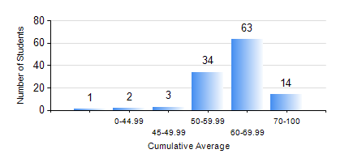
 |  |  | KWAME NKRUMAH UNIVERSITY OF SCIENCE AND TECHNOLOGY, KUMASI Department of Geological Engineering

 |  |  | BSC. GEOLOGICAL ENG.

 |  |  | COMPREHENSIVE RECORD OF EXAMINATION RESULTS

 |  |  | RESULTS OF YEAR 3 SECOND SEMESTER, 2019/2020 ACADEMIC YEAR

 | Sn | Course Code |  | Course Name | Credit Hours | Min. Mark | Max. Mark | Avg. Mark | Std. Dev. | No. Passed | No. Trailed | No. (Df) | No. (I) | No. (I*) | No. Tagged(I,I*,Df) | Total
 | 0. |  |  |  |  |  |  | 0 | 0 | 0 | 0 | 0 | 0 | 0 | 0 | 5
 | 1. | CE 360 |  | FOUNDATION ENGINEERING | 3 | 40 | 66 | 50 | 7.19 | 98 | 0 | 0 | 14 | 0 | 14 | 112
 | 2. | GED 342 |  | MINING PRINCIPLES | 2 | 43 | 94 | 74 | 9.02 | 111 | 0 | 0 | 1 | 0 | 1 | 112
 | 3. | GED 352 |  | PRINCIPLES OF GEOCHEMISTRY | 2 | 40 | 78 | 70 | 7.2 | 110 | 0 | 0 | 2 | 0 | 2 | 112
 | 4. | GED 354 |  | PRINCIPLES OF GEOPHYSICS | 3 | 46 | 89 | 70 | 8.88 | 106 | 0 | 0 | 6 | 0 | 6 | 112
 | 5. | GED 364 |  | STRUCTURAL GEOLOGY | 3 | 56 | 82 | 68 | 4.61 | 111 | 0 | 0 | 1 | 0 | 1 | 112
 | 6. | GED 366 |  | MINERAL ECONOMICS AND EVALUATION | 3 | 62 | 94 | 75 | 7.71 | 110 | 0 | 0 | 2 | 0 | 2 | 112
 | 7. | GED 368 |  | GIS APPLICATIONS | 2 | 40 | 83 | 60 | 10.74 | 108 | 0 | 0 | 4 | 0 | 4 | 112

